Sheet1
Paper Title | Authors | Year | Publication | Summary | Harrassment Categories (Labels)s | Dataset | Citation | Paper Hyperlink | Notes
Harassment in Social Virtual Reality: Challenges for Platform Governance | Blackwell et al. | 2019 | PACM on Human-Computer Interaction, Vol. 3, No. CSCW, Article 100. Publication date: November 2019. | The paper "Harassment in Social Virtual Reality: Challenges for Platform Governance" examines harassment in social VR environments. It highlights that users' definitions of harassment are subjective, making enforcement of platform-level policies challenging. The study finds that the sense of embodiment and presence in VR intensifies the experience of harassment, while the lack of standardized controls complicates the reporting and escape from such behaviors. Additionally, norms for appropriate behavior in social VR are still evolving, further complicating governance efforts. There was an interview of (n=25) | Verbal Harassment: This includes personal insults or hateful slurs directed towards individuals in the virtual environment. Physical Harassment: This encompasses simulated touching or grabbing, which can be particularly impactful due to the immersive nature of VR. Environmental Harassment: This type of harassment involves displaying graphic content on a shared screen within the VR space, affecting the environment experienced by users | Not Public | Blackwell, Lindsay, et al. "Harassment in social virtual reality: Challenges for platform governance." Proceedings of the ACM on Human-Computer Interaction 3.CSCW (2019): 1-25. | View Paper | 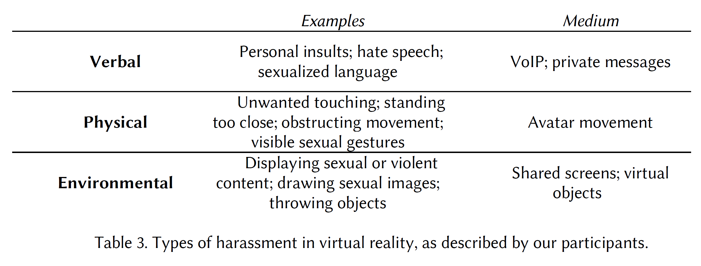 Flaming-Name calling or Insults Doxing-releasing personally identifiable info, such as home address or phone number "Indeed, in a survey of frequent users of HTC Vive, Oculus Rift, Playstation VR and Microsoft Windows Mixed Reality [40], 49% of female respondents described experiencing sexual harassment in VR, including being groped, stalked, or catcalled; being shown a lewd photograph; or hearing a sexually explicit comment. 36% of male respondents described experiencing the same."
Towards Leveraging AI-based Moderation to Address Emergent Harassment in Social Virtual Reality | Schulenberg et al. | 2023 | 2023 CHI Conference on Human Factors in Computing Systems (CHI '23) | The paper focuses on the unique challenges of mitigating harassment in the immersive and embodied context of social virtual reality (VR). It highlights that current AI-based moderation systems face technical limitations in accurately detecting and addressing new forms of harassment specific to social VR, such as voice-based harassment. The study suggests the need for improved AI technologies and a re-envisioned approach to traditional moderation techniques to effectively combat the complex and nuanced nature of harassment in social VR environments | 1. Groping 2. Verbal Abuse 3. Stalking 4. Intimidation 5. Physical Harassment (in a virtual context) | does not provide information about a publicly available dataset related to harassment in social VR spaces. The content of the paper focuses on the findings from semi-structured interviews and the analysis of these interviews, rather than the compilation or mention of a dataset that is publicly accessible for further research. | Schulenberg, Kelsea, et al. "Towards Leveraging AI-based Moderation to Address Emergent Harassment in Social Virtual Reality." Proceedings of the 2023 CHI Conference on Human Factors in Computing Systems. 2023. | View Paper
The Experience of Social Touch in Multi-User Virtual Reality | Sykownik & Masuch | 2020 | 26th ACM Symposium on Virtual Reality Software and Technology (VRST '20) | The paper "The Experience of Social Touch in Multi-User Virtual Reality" presents a study on the emotional responses to virtual social touch in a two-user VR environment. It explores how different levels of intimacy in virtual touch affect emotions such as relaxation, happiness, anxiety, disgust, and fear. The study uses full-body tracked avatars and focuses on both the initiator and receiver of touch, highlighting the complex interplay of intimacy, touch direction, and participant gender on emotional responses. This research contributes to understanding social interactions in VR and their emotional impact, especially in the context of developing more immersive and socially meaningful VR applications | Low Intimacy Body: Contacts: These include gestures like high-fives, fist-bumps, and shoulder taps. Participants were involved in both initiating and receiving these touches. High Intimacy Body Contacts: These are more personal touches, including caressing the arm, caressing the face, and hugging. Similar to low intimacy contacts, these also involved both initiating and receiving actions. | User study is Not Public | Sykownik, Philipp, and Maic Masuch. "The experience of social touch in multi-user virtual reality." Proceedings of the 26th ACM Symposium on Virtual Reality Software and Technology. 2020. | View Paper
Virtual Reality in Sexual Harassment Prevention: Proof-of-Concept Study | Sadeh-Sharvit et al. | 21 | ACM IVA 21 | The paper presents a novel virtual reality (VR) study focusing on sexual harassment prevention. Utilizing VR technology, the researchers created a simulated job interview scenario to explore individual responses to sexual harassment situations. This simulation included inappropriate comments, personal questions, and uncomfortable scenarios, designed to mimic real-life dynamics of workplace harassment. The study's technical contribution lies in its innovative use of VR as an immersive tool for understanding and training individuals to recognize and respond to sexual harassment. By analyzing participant responses and the physical and psychological impacts of these VR experiences, the study underscores VR's potential as a powerful medium for effective harassment prevention training. | Inappropriate Comments: The virtual interviewer makes comments about the participant's appearance, which are personal and unprofessional in the context of a job interview. Personal Questions: Questions are asked that are too personal for a professional setting, crossing boundaries typically respected in a workplace. | No Dataset | Sadeh-Sharvit, Shiri, et al. "Virtual reality in sexual harassment prevention: proof-of-concept study." Proceedings of the 21st ACM International Conference on Intelligent Virtual Agents. 2021. | View Paper
A deep learning approach to early identification of suggested sexual harassment from videos | Shetye et al. |  |  |  | Sexual assault Sexual Harassment Sexual Violence |  |  | https://drive.google.com/drive/folders/1kRt-MisnnVqurdlDY90XfMHH0l5GbMxK
From ‘Silly’ to ‘Scumbag’: Reddit Discussion of a Case of Groping in a Virtual Reality Game |  |  |  |  |  |  |  |  |  | Perhaps there could be three tiers of interaction: 1.) Sexual Harassment 2.) Sexual Assualt 3.) Rape

